Sheet1
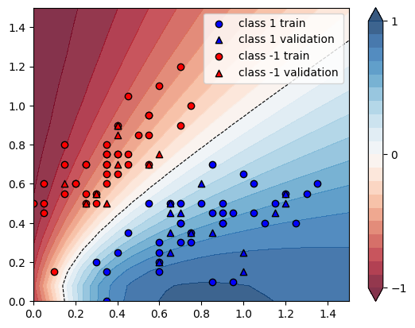
X | Y | conf_59 | guess_59 | conf_89 | guess_89 | increment
[0.4 0.75] | -1 | 0.7529 | Ok | 0.7843 | Ok | 0.041705405764
[0.3 0.5] | -1 | 0.6756 | Ok | 0.7422 | Ok | 0.098579040853
[0.2 0.6] | -1 | 0.8546 | Ok | 0.9013 | Ok | 0.054645448163
[0.15 0.55] | -1 | 0.8818 | Ok | 0.9307 | Ok | 0.055454751644
[0.35 0.8 ] | -1 | 0.8172 | Ok | 0.8441 | Ok | 0.032917278512
[0.55 0.95] | -1 | 0.7456 | Ok | 0.7587 | Ok | 0.017569742489
[0.15 0.7 ] | -1 | 0.9332 | Ok | 0.9557 | Ok | 0.024110587227
[0.35 0.7 ] | -1 | 0.7671 | Ok | 0.8047 | Ok | 0.049015773693
[0.05 0.45] | -1 | 0.9469 | Ok | 0.9843 | Ok | 0.039497307002
[0.3 0.55] | -1 | 0.7169 | Ok | 0.7758 | Ok | 0.082159296973
[0.55 0.85] | -1 | 0.6957 | Ok | 0.7141 | Ok | 0.026448181688
[0.25 0.7 ] | -1 | 0.8542 | Ok | 0.8892 | Ok | 0.04097401077
[0.25 0.5 ] | -1 | 0.7361 | Ok | 0.8052 | Ok | 0.093873115066
[0. 0.5] | -1 | 0.9974 | Ok | 0.9958 | Ok | -0.0016041708442
[0.75 1. ] | -1 | 0.6513 | Ok | 0.6545 | Ok | 0.0049132504222
[0.7 1.2] | -1 | 0.7608 | Ok | 0.7601 | Ok | -0.00092008412198
[0.55 0.95] | -1 | 0.7456 | Ok | 0.7587 | Ok | 0.017569742489
[0.4 0.75] | -1 | 0.7529 | Ok | 0.7843 | Ok | 0.041705405764
[0.7 0.9] | -1 | 0.6275 | Ok | 0.6357 | Ok | 0.013067729084
[0.4 0.9] | -1 | 0.8227 | Ok | 0.8412 | Ok | 0.022486933269
[0.55 0.7 ] | -1 | 0.6008 | Ok | 0.6266 | Ok | 0.042942743009
[0.4 0.85] | -1 | 0.8021 | Ok | 0.8247 | Ok | 0.028176037901
[0.15 0.8 ] | -1 | 0.9553 | Ok | 0.9657 | Ok | 0.010886632471
[0.4 0.65] | -1 | 0.6901 | Ok | 0.7312 | Ok | 0.059556586002
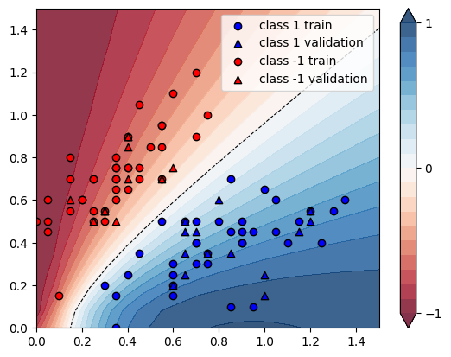
[0.25 0.7 ] | -1 | 0.8542 | Ok | 0.8892 | Ok | 0.04097401077
[0.35 0.5 ] | -1 | 0.6178 | Ok | 0.6791 | Ok | 0.099223049531
[0.35 0.7 ] | -1 | 0.7671 | Ok | 0.8047 | Ok | 0.049015773693
[0.45 0.75] | -1 | 0.7124 | Ok | 0.7421 | Ok | 0.041690061763
[0.45 0.7 ] | -1 | 0.6807 | Ok | 0.7142 | Ok | 0.049214044366
[0.2 0.6] | -1 | 0.8546 | Ok | 0.9013 | Ok | 0.054645448163
[0.25 0.55] | -1 | 0.7728 | Ok | 0.8324 | Ok | 0.077122153209
[0.55 0.7 ] | -1 | 0.6008 | Ok | 0.6266 | Ok | 0.042942743009
[0.45 1.05] | -1 | 0.8438 | Ok | 0.8525 | Ok | 0.010310500119
[0.6 1.1] | -1 | 0.7771 | Ok | 0.7821 | Ok | 0.0064341783554
[0.3 0.55] | -1 | 0.7169 | Ok | 0.7758 | Ok | 0.082159296973
[0.35 0.6 ] | -1 | 0.7019 | Ok | 0.7514 | Ok | 0.070522866505
[0.6 0.75] | -1 | 0.5996 | Ok | 0.6192 | Ok | 0.032688458973
[0.3 0.55] | -1 | 0.7169 | Ok | 0.7758 | Ok | 0.082159296973
[0.05 0.5 ] | -1 | 0.9604 | Ok | 0.9867 | Ok | 0.027384423157
[0.4 0.7] | -1 | 0.7234 | Ok | 0.7596 | Ok | 0.050041470832
[0.35 0.75] | -1 | 0.7938 | Ok | 0.8258 | Ok | 0.040312421265
[0.1 0.15] | -1 | 0.6497 | Ok | 0.8032 | Ok | 0.23626289056
[0.05 0.6 ] | -1 | 0.9803 | Ok | 0.9899 | Ok | 0.0097929205345
[0.35 0.75] | -1 | 0.7938 | Ok | 0.8258 | Ok | 0.040312421265
[0.4 0.9] | -1 | 0.8227 | Ok | 0.8412 | Ok | 0.022486933269
[0.25 0.5 ] | -1 | 0.7361 | Ok | 0.8052 | Ok | 0.093873115066
[0.4 0.9] | -1 | 0.8227 | Ok | 0.8412 | Ok | 0.022486933269
[0.15 0.6 ] | -1 | 0.9021 | Ok | 0.9408 | Ok | 0.042899900233
[0.5 0.85] | -1 | 0.7306 | Ok | 0.7511 | Ok | 0.028059129483
[0.35 0.65] | -1 | 0.7366 | Ok | 0.7801 | Ok | 0.05905511811
[1.35 0.6 ] | 1 | 0.7786 | Ok | 0.8136 | Ok | 0.044952478808
[1.05 0.6 ] | 1 | 0.7195 | Ok | 0.739 | Ok | 0.027102154274
[1.3 0.55] | 1 | 0.7944 | Ok | 0.829 | Ok | 0.043554884189
[0.6 0.15] | 1 | 0.9134 | Ok | 0.9244 | Ok | 0.012042916575
[1.1 0.4] | 1 | 0.8412 | Ok | 0.8725 | Ok | 0.037208749406
[0.7 0.4] | 1 | 0.7499 | Ok | 0.7465 | Ok | -0.0045339378584
[1. 0.65] | 1 | 0.6737 | Ok | 0.6881 | Ok | 0.021374499035
[0.3 0.2] | 1 | 0.6802 | Ok | 0.6071 | Ok | -0.10746839165
[1.15 0.45] | 1 | 0.8224 | Ok | 0.854 | Ok | 0.038424124514
[0.45 0.35] | 1 | 0.6504 | Ok | 0.6048 | Ok | -0.070110701107
[0.35 0. ] | 1 | 0.8473 | Ok | 0.8573 | Ok | 0.011802195208
[0.8 0.5] | 1 | 0.7076 | Ok | 0.7104 | Ok | 0.0039570378745
[0.85 0.1 ] | 1 | 0.9504 | Ok | 0.9867 | Ok | 0.038194444444
[0.9 0.45] | 1 | 0.7764 | Ok | 0.7914 | Ok | 0.019319938176
[0.65 0.45] | 1 | 0.6814 | Ok | 0.668 | Ok | -0.019665394775
[1.2 0.55] | 1 | 0.7795 | Ok | 0.8095 | Ok | 0.038486209108
[0.65 0.5 ] | 1 | 0.6356 | Ok | 0.6201 | Ok | -0.024386406545
[0.75 0.35] | 1 | 0.8082 | Ok | 0.8149 | Ok | 0.008290027221
[0.95 0.1 ] | 1 | 0.9489 | Ok | 0.9897 | Ok | 0.0429971546
[0.65 0.25] | 1 | 0.8576 | Ok | 0.8616 | Ok | 0.0046641791045
[0.8 0.6] | 1 | 0.6304 | Ok | 0.6295 | Ok | -0.0014276649746
[0.9 0.4] | 1 | 0.8097 | Ok | 0.8276 | Ok | 0.022106953193
[1. 0.25] | 1 | 0.9025 | Ok | 0.9367 | Ok | 0.037894736842
[0.9 0.4] | 1 | 0.8097 | Ok | 0.8276 | Ok | 0.022106953193
[1.05 0.45] | 1 | 0.8078 | Ok | 0.8337 | Ok | 0.032062391681
[1.15 0.5 ] | 1 | 0.7971 | Ok | 0.8265 | Ok | 0.036883703425
[1.25 0.4 ] | 1 | 0.8547 | Ok | 0.8929 | Ok | 0.044694044694
[1.2 0.5] | 1 | 0.8045 | Ok | 0.8364 | Ok | 0.039651957738
[0.85 0.45] | 1 | 0.7625 | Ok | 0.773 | Ok | 0.013770491803
[0.7 0.3] | 1 | 0.8327 | Ok | 0.8379 | Ok | 0.006244746007
[0.6 0.2] | 1 | 0.8813 | Ok | 0.885 | Ok | 0.0041983433564
[0.6 0.2] | 1 | 0.8813 | Ok | 0.885 | Ok | 0.0041983433564
[0.75 0.35] | 1 | 0.8082 | Ok | 0.8149 | Ok | 0.008290027221
[0.85 0.35] | 1 | 0.8322 | Ok | 0.8492 | Ok | 0.020427781783
[0.55 0.5 ] | 1 | 0.5695 | Ok | 0.5391 | Ok | -0.053380158033
[0.85 0.7 ] | 1 | 0.5813 | Ok | 0.5828 | Ok | 0.0025804231894
[1.2 0.55] | 1 | 0.7795 | Ok | 0.8095 | Ok | 0.038486209108
[1. 0.15] | 1 | 0.9366 | Ok | 0.9766 | Ok | 0.042707666026
[0.65 0.5 ] | 1 | 0.6356 | Ok | 0.6201 | Ok | -0.024386406545
[0.6 0.25] | 1 | 0.8422 | Ok | 0.8388 | Ok | -0.0040370458323
[0.6 0.3] | 1 | 0.7979 | Ok | 0.7885 | Ok | -0.011780924928
[0.9 0.5] | 1 | 0.742 | Ok | 0.7543 | Ok | 0.016576819407
[0.75 0.3 ] | 1 | 0.8453 | Ok | 0.8564 | Ok | 0.013131432627
[0.35 0.15] | 1 | 0.7911 | Ok | 0.7516 | Ok | -0.049930476552
[0.65 0.35] | 1 | 0.7733 | Ok | 0.7669 | Ok | -0.0082762188025
[0.7 0.5] | 1 | 0.6629 | Ok | 0.654 | Ok | -0.013425856087
[0.7 0.45] | 1 | 0.7064 | Ok | 0.6999 | Ok | -0.009201585504
[0.95 0.45] | 1 | 0.7884 | Ok | 0.8074 | Ok | 0.024099441908
[0.4 0.25] | 1 | 0.7264 | Ok | 0.6782 | Ok | -0.066354625551
[0.7 0.4] | 1 | 0.7499 | Ok | 0.7465 | Ok | -0.0045339378584
 |  |  |  |  | AVG | 0.026573840312

